Multiome-ATAC-library QC
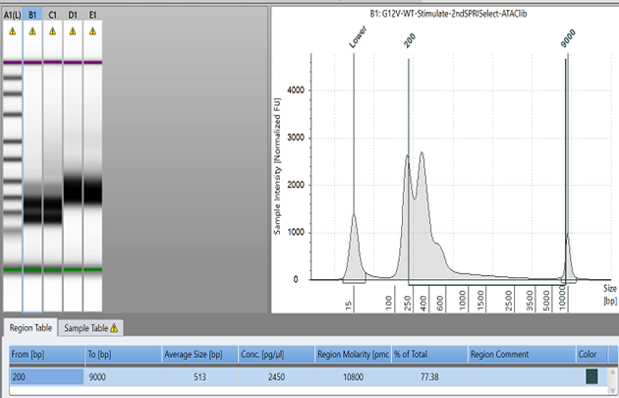
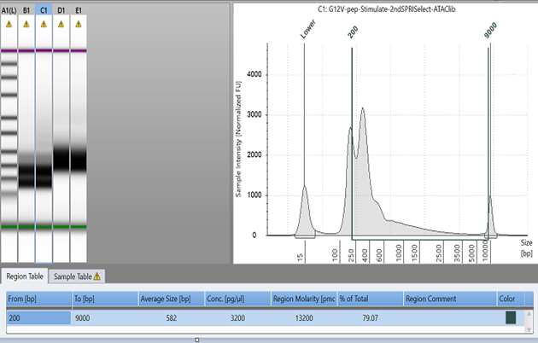
1. 20210528
Sample | Library Type | Targeted Nuclei recovery | Volumn carried from 160ul pre- amplified sample step4.3(ul) | Cycle # used in Sample Index PCR Step5.1 | Post Sample Index Double size selection | HS D5000 Tapestation Dilution Step5.3
G12V-WT-Stimulate | Multiome-ATAC | ~5000 | 40 | 8 | 2 | 1:10:00
G12V-pep-Stimulate | Multiome-ATAC | ~5000 | 40 | 8 | 2 | 1:10:00

1). 20210527 1st cleanup Post library construction QC
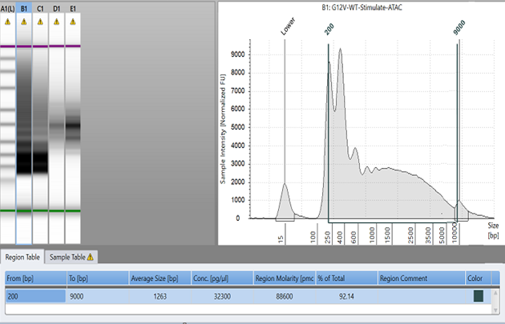
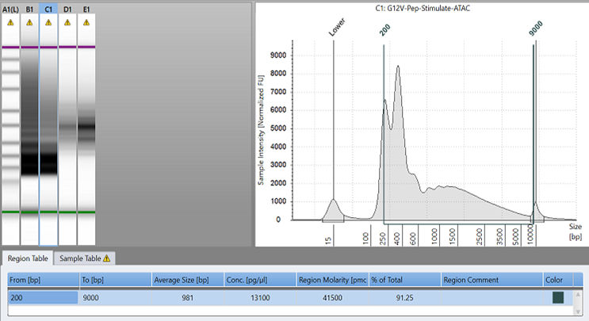

2). 20210528 2nd cleanup Post library construction QC

Multiome-RNA-library QC
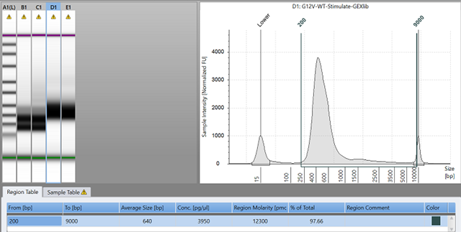
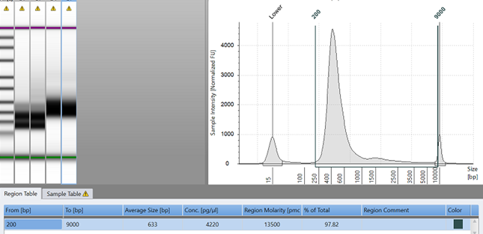
1. 20210528
Sample | Library Type | Targeted Nuclei recovery | Volumn carried from 160ul pre- amplified sample step4.3(ul) | Cycle # used in cDNA amplification Step6.1 | GEX library construction Carried from Step6.2 | 25% carry forward cDNA input amount | Cycle # used in Sample Index PCR Step7.5 | Post Sample Index Double size selection | HS D5000 Tapestation Dilution Step6.3/7.7
G12V-WT-Stimulate | Multiome-RNA | ~5000 | 35 | 7 | 25% | 302ng | 11 | 2 | 1:10:00
G12V-pep-Stimulate | Multiome-RNA | ~5000 | 35 | 7 | 25% | 347.7ng | 11 | 2 | 1:10:00

1). Qubit on post cDNA amplification product
Sample | Library Type | concentration ng/ul | Dilution 1:10 | Total cDNA yield | 1/4 carry forward for GEX lib construction
G12V-WT-Stimulate | Multiome-RNA | 3.18 | 31.8 | 31.8x38 | 302 ng
G12V-pep-Stimulate | Multiome-RNA | 3.66 | 36.6 | 36.6x38 | 347.7ng
2). Post amplification cDNA QC step6.3
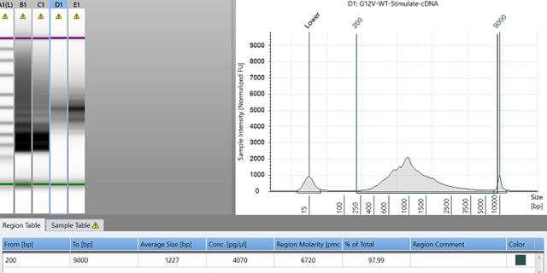
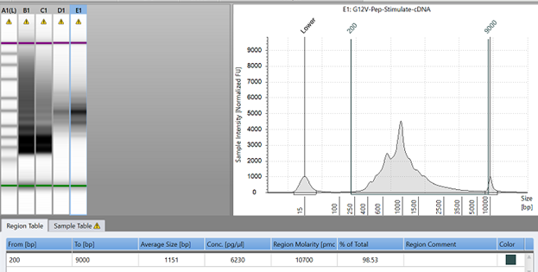

3). Post GEX library construction QC step7.7

